Instructions
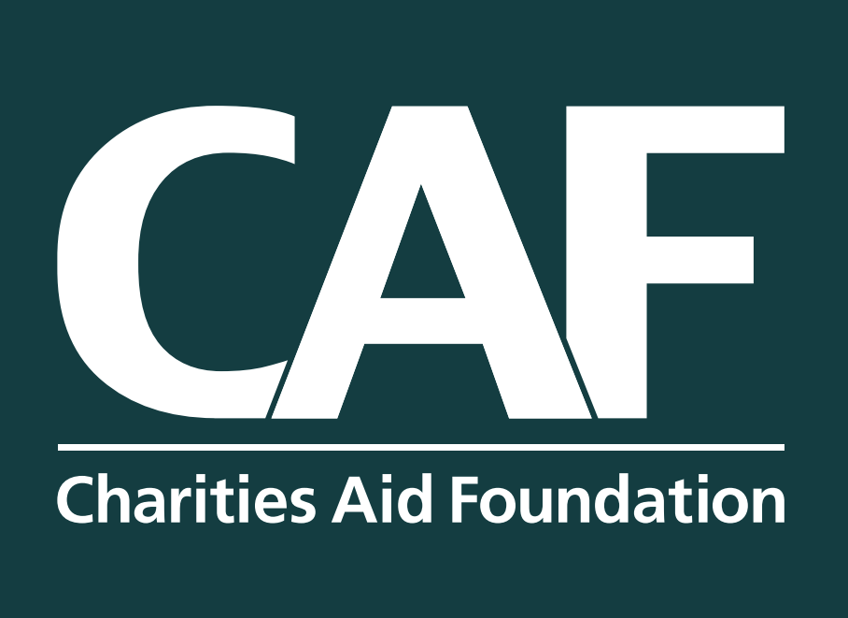 | CHARITIES AID FOUNDATION AWARENESS CALENDAR 2025

 | Global, national or local charity awareness campaigns and religious festivals
 | Please note, that at the end of every month the calendar is updated and re-uploaded to our website to confirm any 'tbc' event dates.

 | How to dowload this calendar as your own

 | TO SAVE IN GOOGLE SHEETS:

 | 1. Select File > Make a Copy and save it as your own copy

 | TO SAVE IN MICROSOFT EXCEL:

 | 1. Select File > Download > Microsoft Excel (.xslx)
 | 2. Open the calendar in Microsoft Excel and save it as your own copy

 | HOW TO USE THE CALENDAR

 | Go to the 'Calendar' sheet and select which month in 2025 you would like to find a global, national or local charity awareness campaign or religious festival.

 | HOW TO PROMOTE THE CAMPAIGNS

 | For employers and employees: click the 'Events' sheet in this Excel spreadsheet, then click the link on each campaign name to learn more and use the linked resources to raise awareness of the campaigns.

 | For employers: explore our Give As You Earn Activation Kit where you can copy and paste messaging templates to promote various campaigns.

